test case format
 | Project Name: | Acces Control Password | Test Designed by: | Mirzac Eugen
 | Module Name: | Password control | Test Designed date:
 | Release Version: |  | Test Executed by: | Mirzac Eugen
 |  |  | Test Execution date:

Pre-condition
Dependencies:
Test Priority

Test Case ID | Test case name | Test case description | Test case Steps | Expected Result | Post-condition | Actual Result | Test case Status | Test case comment and incident report id | Requirement ID
1 | "Enter password" message | Check when you turn on device is appear on the screen "Enter password" | 1.Turn on device 2.You should see "Enter password" on the screen | We see on the screen "Enter password" | Return to default statement | Positive | in review | The display shows "Enter password" message | 1.
2. | Higher Password length | Password length more than 4 digits | 1.Turn on device 2.You should see "Enter password" on the screen 3.We are checking password with 5 digits | We see on the screen "Incorrect" message | Return to default statement | Negative | in review | The system doesn’t allow us to enter more then 4 digists | 2.
3. | Lower Password length | Password length less than 4 digits | 1.Turn on device 2.You should see "Enter password" on the screen 3.We are checking password with 3 digits | We see that device is still waiting to enter more digits | Return to default statement | Negative | in review | The system is waiting for 4 digits to enter | 2.
4. | Password length | Password length - 4 digits | 1.Turn on device 2.You should see "Enter password" on the screen 3.We are checking password with any 4 digits | We see on the screen "Incorrect" message | Return to default statement | Negative | in review | The system doesn't allow us to enter 4 digits | 2.
5. | Correct password testing | We should check the correct password 1234 | 1.Turn on device 2.You should see "Enter password" on the screen 3.We are checking password with combination 1234 digits | We see on the screen "Welcome back master" message- it means is correct password | Return to default statement | Positive | in review | When is introducing correct password on the screen appear "Welcome back Master" | 3
6. | Testing of security password first step(5 ways incorect combinations) | For security reason we should test the password 5 ways-incorect combinations | 1.Turn on device 2.You should see "Enter password" on the screen 3.We are checking password 5 times with incorect combination of digits | We see on the screen "Incorrect" message | Return to default statement | Positive | in review | Incident report : when we enter wrong password appear "Incorrect" on the screen but should appear "Incorrect Password" | 4
7. | Testing of security password second step (5 ways correct combinations) | For security reason we should test the password 5 ways-corect combinations | 1.Turn on device 2.You should see "Enter password" on the screen 3.We are checking password 5 times with corect combination of digits | We see on the screen "Welcome back master" message- it means is correct password | Return to default statement | Positive | in review | We tested 5 times the correct passord and the system is working well | 4
8. | Lightning LED | We should check when is input correct password 1234 - the Light should light on. | 1.Turn on device 2.You should see "Enter password" on the screen 3.Input password with correct combination 1234 digits 4.We should see lightning LED | We don't see the Lightning LED | Return to default statement | Failed | in review | 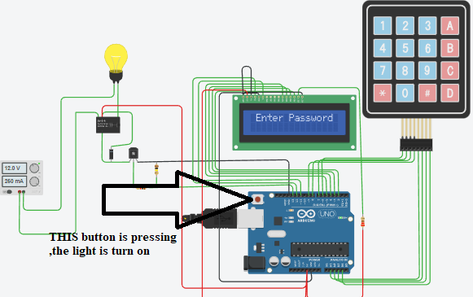 Incident report - the Light is turning on when is pushing the button on board,when insert correct password the light is turn off | 5
9. | Checking "Welcome back Master" | We should check when is input correct password 1234 -shows up "Welcome back Master" message | 1.Turn on device 2.You should see "Enter password" on the screen 3.Input password with correct combination 1234 digits 4.We should see "Welcome back Master" message | We see on the screen "Welcome back master" message | Return to default statement | Pass | in review | When is introducing correct password on the screen appear "Welcome back Master" | 7
10. | Delay of 3000ms | We should check in the code if there is a delay of 3000ms | 1.Open the code 2.Looking the "delay" word | We see that is assinged 2000 not 3000 | Return to default statement | Failed | in review |  | 8
11. | Mode =3 | We should check in the code if there is a mode =3 | 1.Open the code 2.Looking the "mode" word 3.Mode should be = 3 | We see that is correct assigned | Return to default statement | Pass | in review |  | 8

